Sheet1
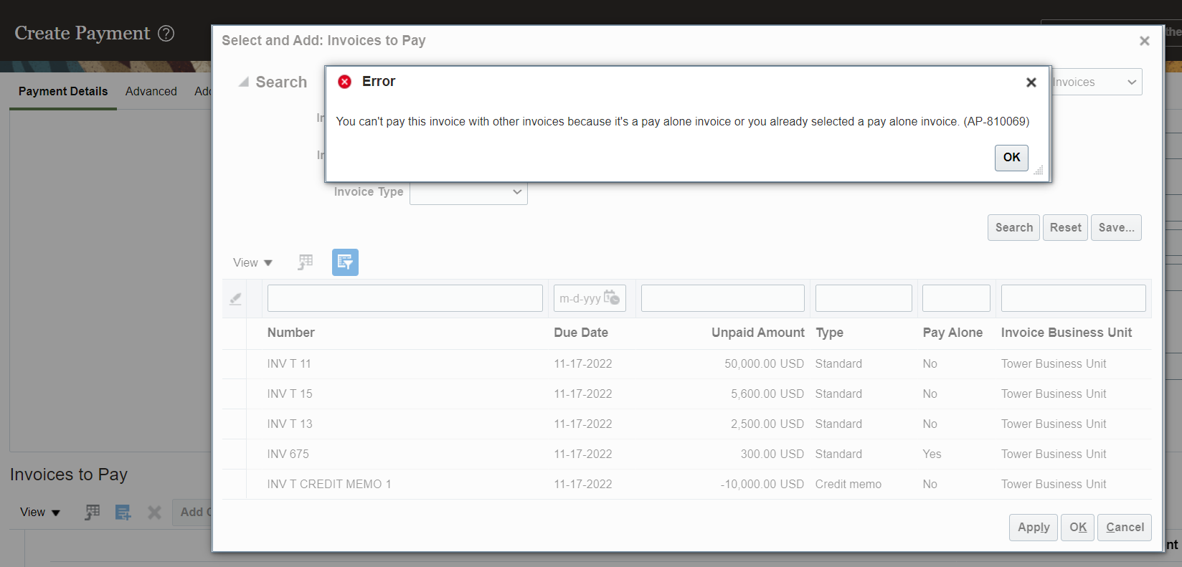
Pay Alone
Scenerio
Your supplier is saying that we have to issue separate cheque.
* By using this Pay Alone functionality we can pay invoices with separate documents. For each invoice we can use separate check document to pay it.
Setups
1. Enable Pay Alone at supplier site level
Path: Procurement >> Suppliers >> Supplier Site >> Payments Tab >> Payment Attributes Tab >> Payment Specifications Tab >> Check the checkbox "Pay Each Invoice Alone".

Process
1. Create 2 Invoices in the system
2. Process the payment for those 2 invoices
* To enable Pay Alone functionality we need to goto supplier site >> Payments >> Payment Attributes >> Payment Specifications >> Enable Pay Each Invoice Alone.
* If you enable Pay Alone functionality at supplier site level then when you try to create payments system will not allow you to select the invoices for payment
Error Message: You cant pay this invoice with other invoices because it’s a pay alone invoice or you already selected a pay alone invoice (AP-810069).
Sol: for this at supplier site level we have enabled pay alone checkbox there you have to uncheck that checkbox so that system will allow to pay other invoices
along with other invoices.

Setups
1. Enable Pay Alone at supplier site level
Path: Procurement >> Suppliers >> Supplier Site >> Payments Tab >> Payment Attributes Tab >> Payment Specifications Tab >> Check the checkbox "Pay Each Invoice Alone".
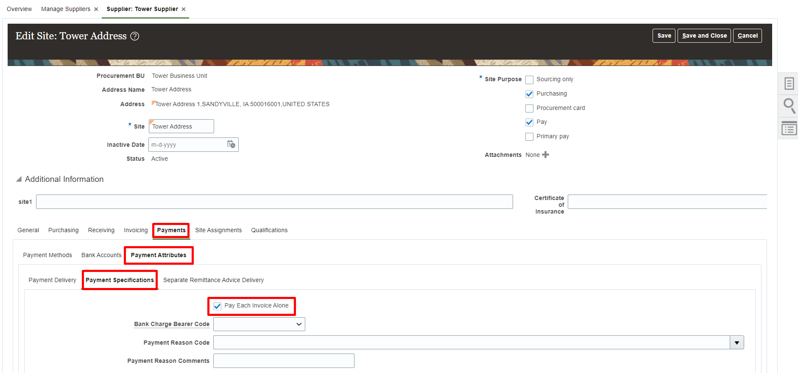

Process
1. Create Invoice
Path: Payables >> Invoices >> Taskpane >> Create Invoices
*In supplier site we have enabled check box so that system is checking the same checkbox at manage installments level.
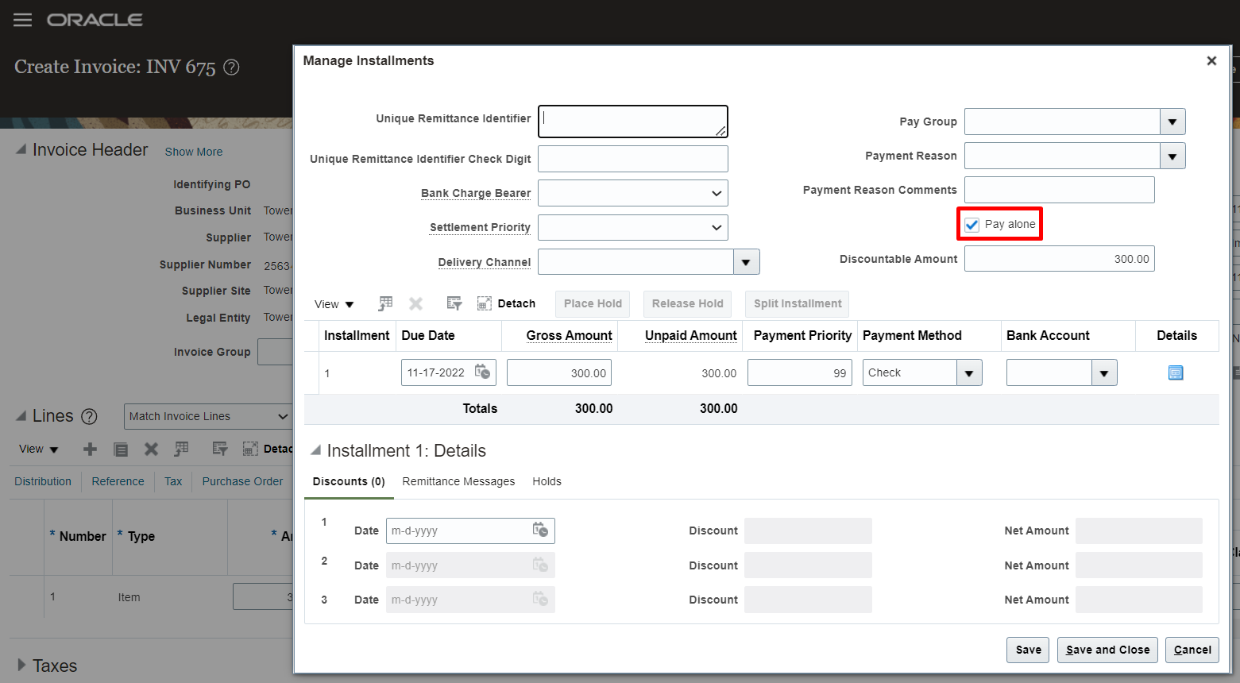

2. Process the payment for invoice
Path: Payables >> Payments >> Taskpane >> Create Payment
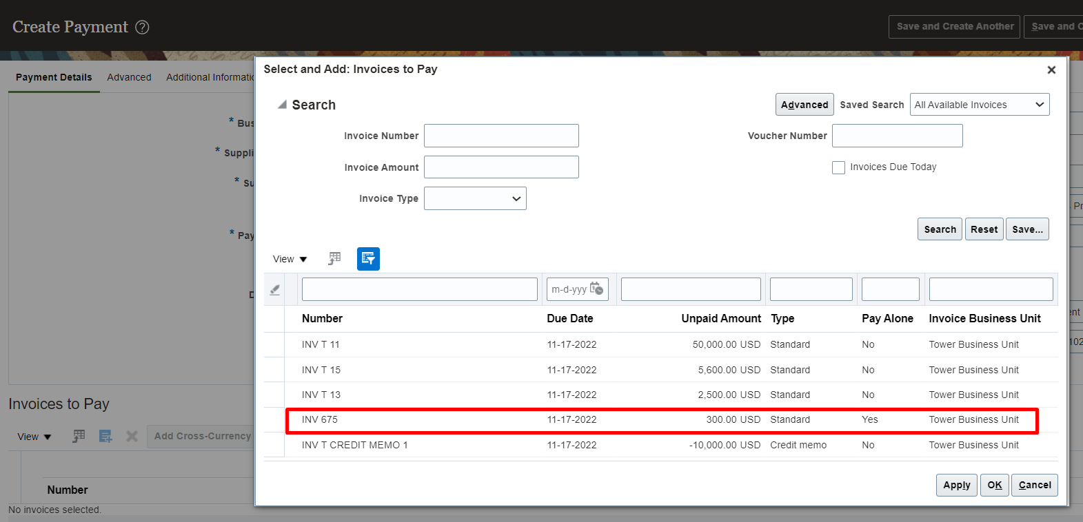

*If you try to pay this invoice with other invoices system will throw an error

